DASHBOARD
THE GUNRYAKU - DASHBOARD
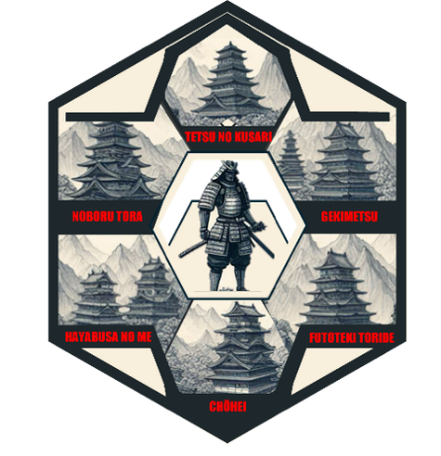

0
# TOTAL TASKS
0
# COMPLETE
0
# ACTIVE
0
# NOT STARTED
0
TOTAL HIGH PRIORITY TASK
0
HIGH PER TENANT
0%
% OF TOTAL COMPLETE
0%
% OF TOTAL ACTIVE
TOTAL INCIDENT RESPONSE PLAN TASKS
TOTAL TASKS HIGH PRIORITY

 | COMPLETE | ACTIVE | NOT STARTED | TOTAL TASKS | HIGH TARGET | % HIGH COMPLETE
 | PERCENTAGE
1. Tetsu No Kusari | 0%
 | PERCENTAGE
2. Gekimetsu | 0%
 | PERCENTAGE
3. Futoteki Foride | 0%
 | PERCENTAGE
4. ChŌhei | 0%
 | PERCENTAGE
5. Hayabusa No Me | 0%
 | PERCENTAGE
6. Noburu Tora | 0%
PHASE
STATUS
TETSU NO KUSARI
GEKIMETSU
FUTOTEKI TORIDE
CHŌHEI
HAYABUSA NO ME
NOBURU TORA
0%
0%
ALL TASKS PER TENANT / PHASE
THE GUNRYAKU IS A PROVEN STRATEGY TO REMEDIATE INDICATORS OF COMPROMISE COMMONLY EXECUTED WITHIN A SYSTEMIC IDENTITY COMPROMISE OF A MICROSOFT ENTRA ID TENANT.

© Night City Shogun 2024

